Data
Source (2010-1015): IPCC Inventory report, Source (2020): Canada's Emissions Trends 2014
Reported for Canada | 2010 | 2011 | 2012 | 2013 | 2014 | 2015 | 2020
kt CO2 | -28000.00 | -26000.00 | -30000.00 | -29000.00 | -33000.00 | -34000.00 | -19000

Calculated for Alberta
g CO2 | 6.6147691768E+12 | 6.6249051582E+12 | 6.7456930577E+12 | 6.8966614556E+12 | 5.9135925654E+12 | 5.1269194507E+12 | 4.0650806269E+12

Convert MT to g | 1MT = | 10^6 tonne
 | 1 tonne = | 10^6 g
 | 1MT= | 10^12 g
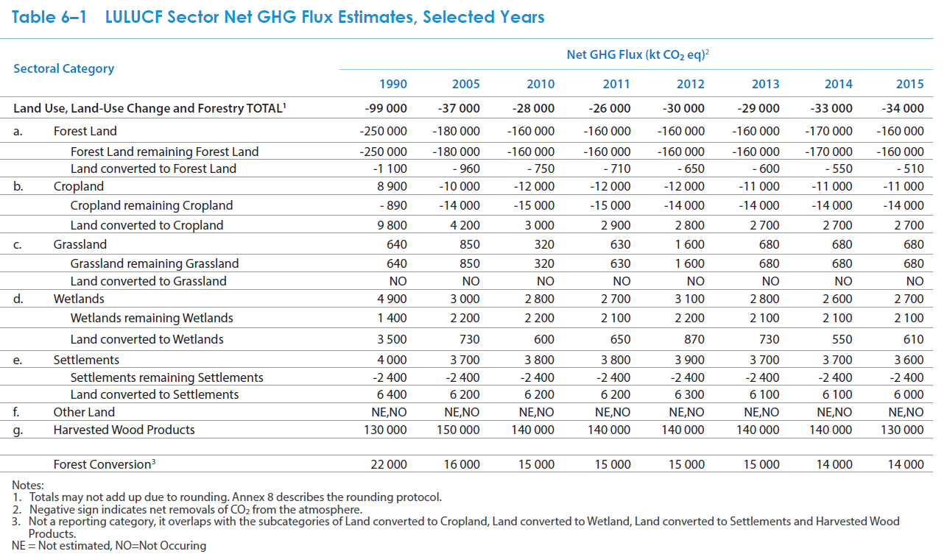
Canadian data from Table 6-1:
 | 1990 | 2005 | 2010 | 2011 | 2012 | 2013 | 2014 | 2015
Total | -99000 | -37000 | -28000 | -26000 | -30000 | -29000 | -33000 | -34000
Forest Land | -250000 | -180000 | -160000 | -160000 | -160000 | -160000 | -170000 | -160000
Cropland | 8900 | -10000 | -12000 | -12000 | -12000 | -11000 | -11000 | -11000
Grassland | 640 | 850 | 320 | 630 | 1600 | 680 | 680 | 680
Wetlands | 4900 | 3000 | 2800 | 2700 | 3100 | 2800 | 2600 | 2700
Settlements | 4000 | 3700 | 3800 | 3800 | 3900 | 3700 | 3700 | 3600
Harvested Wood Products | 130000 | 150000 | 140000 | 140000 | 140000 | 140000 | 140000 | 130000
Forest Conversion | 22000 | 16000 | 15000 | 15000 | 15000 | 15000 | 14000 | 14000

Calculation of Alberta specific fractions:
Forest coverage
CAN total forest coverage | 396433600 | hectares |  |  | acre->hectare | 0.404686
Source: | https://cfs.nrcan.gc.ca/statsprofile/overview/ca |  |  |  | km2->hectare | 100
AB total forest coverage | 381000 | km^2
Source: | https://albertawilderness.ca/issues/wildlands/forests/boreal-forest/
% | 0.096106889023

Cropland
Source: | https://www150.statcan.gc.ca/n1/pub/95-640-x/2016001/article/14807-eng.htm
% | 0.268

Grassland
CAN total grassland | 1,780,650.60 | km^2
Source: | https://en.wikipedia.org/wiki/Canadian_Prairies
AB total grassland | 30,000,000 | acres
Source: | http://www.albertapcf.org/about-prairies/grassland-parkland-natural-regions
% | 0.068180585231

Wetland
Source: | http://www.capf.ca/pdfs/Wetlands%20in%20Alberta.pdf
% | 0.11

Settlements
CAN total Settlements | 25537318
Source: | https://www150.statcan.gc.ca/n1/pub/16-002-x/2011002/m003-eng.htm
AB total Settlements | 2720422
Source: | https://www150.statcan.gc.ca/n1/pub/16-002-x/2011002/m003-eng.htm
% | 0.10652731818

Wood products
CAN total harvested wood products | 160541000
Source: | https://cfs.nrcan.gc.ca/statsprofile/overview/ca
AB total harvested wood products | 28064000 | cubic metres
Source: | https://cfs.nrcan.gc.ca/statsprofile/overview/ab
% | 0.17480892731

Calculating Alberta values:
 | 1990 | 2005 | 2010 | 2011 | 2012 | 2013 | 2014 | 2015
Total | 2092.3831425 | 7024.2036478 | 6614.7691768 | 6624.9051582 | 6745.6930577 | 6896.6614556 | 5913.5925654 | 5126.9194507
Forest Land | -24026.722256 | -17299.240024 | -15377.102244 | -15377.102244 | -15377.102244 | -15377.102244 | -16338.171134 | -15377.102244
Cropland | 2385.2 | -2680 | -3216 | -3216 | -3216 | -2948 | -2948 | -2948
Grassland | 43.635574548 | 57.953497446 | 21.817787274 | 42.953768696 | 109.08893637 | 46.362797957 | 46.362797957 | 46.362797957
Wetlands | 539 | 330 | 308 | 297 | 341 | 308 | 286 | 297
Settlements | 426.10927271 | 394.15107726 | 404.80380908 | 404.80380908 | 415.45654089 | 394.15107726 | 394.15107726 | 383.49834544
Harvested Wood Products | 22725.160551 | 26221.339097 | 24473.249824 | 24473.249824 | 24473.249824 | 24473.249824 | 24473.249824 | 22725.160551

Total % of Canada | x | x | -0.23624175631 | -0.25480404455 | -0.22485643526 | -0.23781591226 | -0.17919977471 | -0.15079174855
Average | -0.21395161194

